Sheet1
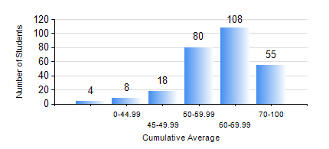
 |  |  | KWAME NKRUMAH UNIVERSITY OF SCIENCE AND TECHNOLOGY, KUMASI Department of Mechanical Engineering

 |  |  | BSC. MECHANICAL ENG.

 |  |  | COMPREHENSIVE RECORD OF EXAMINATION RESULTS

 |  |  | RESULTS OF YEAR 3 FIRST SEMESTER, 2022/2023 ACADEMIC YEAR

 | Sn | Course Code |  | Course Name | Credit Hours | Min. Mark | Max. Mark | Avg. Mark | Std. Dev. | No. Passed | No. Trailed | No. (Df) | No. (I) | No. (I*) | No. Tagged(I,I*,Df) | Total
 | 0. |  |  |  |  |  |  | 0 | 0 | 0 | 0 | 0 | 0 | 0 | 0 | 10
 | 1. | ECON 151 |  | INTRODUCTION TO ECONOMICS I | 2 | 8 | 95 | 66 | 12.83 | 260 | 3 | 0 | 0 | 0 | 0 | 263
 | 2. | MATH 351 |  | NUMERICAL ANALYSIS | 2 | 12 | 83 | 51 | 14.2 | 216 | 47 | 0 | 0 | 0 | 0 | 263
 | 3. | MATH 353 |  | PROBABILITY AND STATISTICS | 2 | 10 | 98 | 64 | 13.49 | 257 | 6 | 0 | 0 | 0 | 0 | 263
 | 4. | ME 361 |  | DYNAMICS OF MACHINERY | 3 | 24 | 93 | 54 | 14.56 | 238 | 25 | 0 | 0 | 0 | 0 | 263
 | 5. | ME 363 |  | AUTOMATIC CONTROL I | 2 | 8 | 85 | 61 | 11.79 | 260 | 3 | 0 | 0 | 0 | 0 | 263
 | 6. | ME 365 |  | THERMODYNAMICS II | 3 | 2 | 94 | 57 | 11.78 | 260 | 3 | 0 | 0 | 0 | 0 | 263
 | 7. | ME 373 |  | MACHINE ELEMENTS DESIGN | 3 | 11 | 95 | 60 | 17.24 | 237 | 26 | 0 | 0 | 0 | 0 | 263
 | 8. | ME 395 |  | MECHANICAL ENGINEERING LAB. III | 1 | 10 | 84 | 65 | 11.21 | 259 | 4 | 0 | 0 | 0 | 0 | 263

